About this Resource
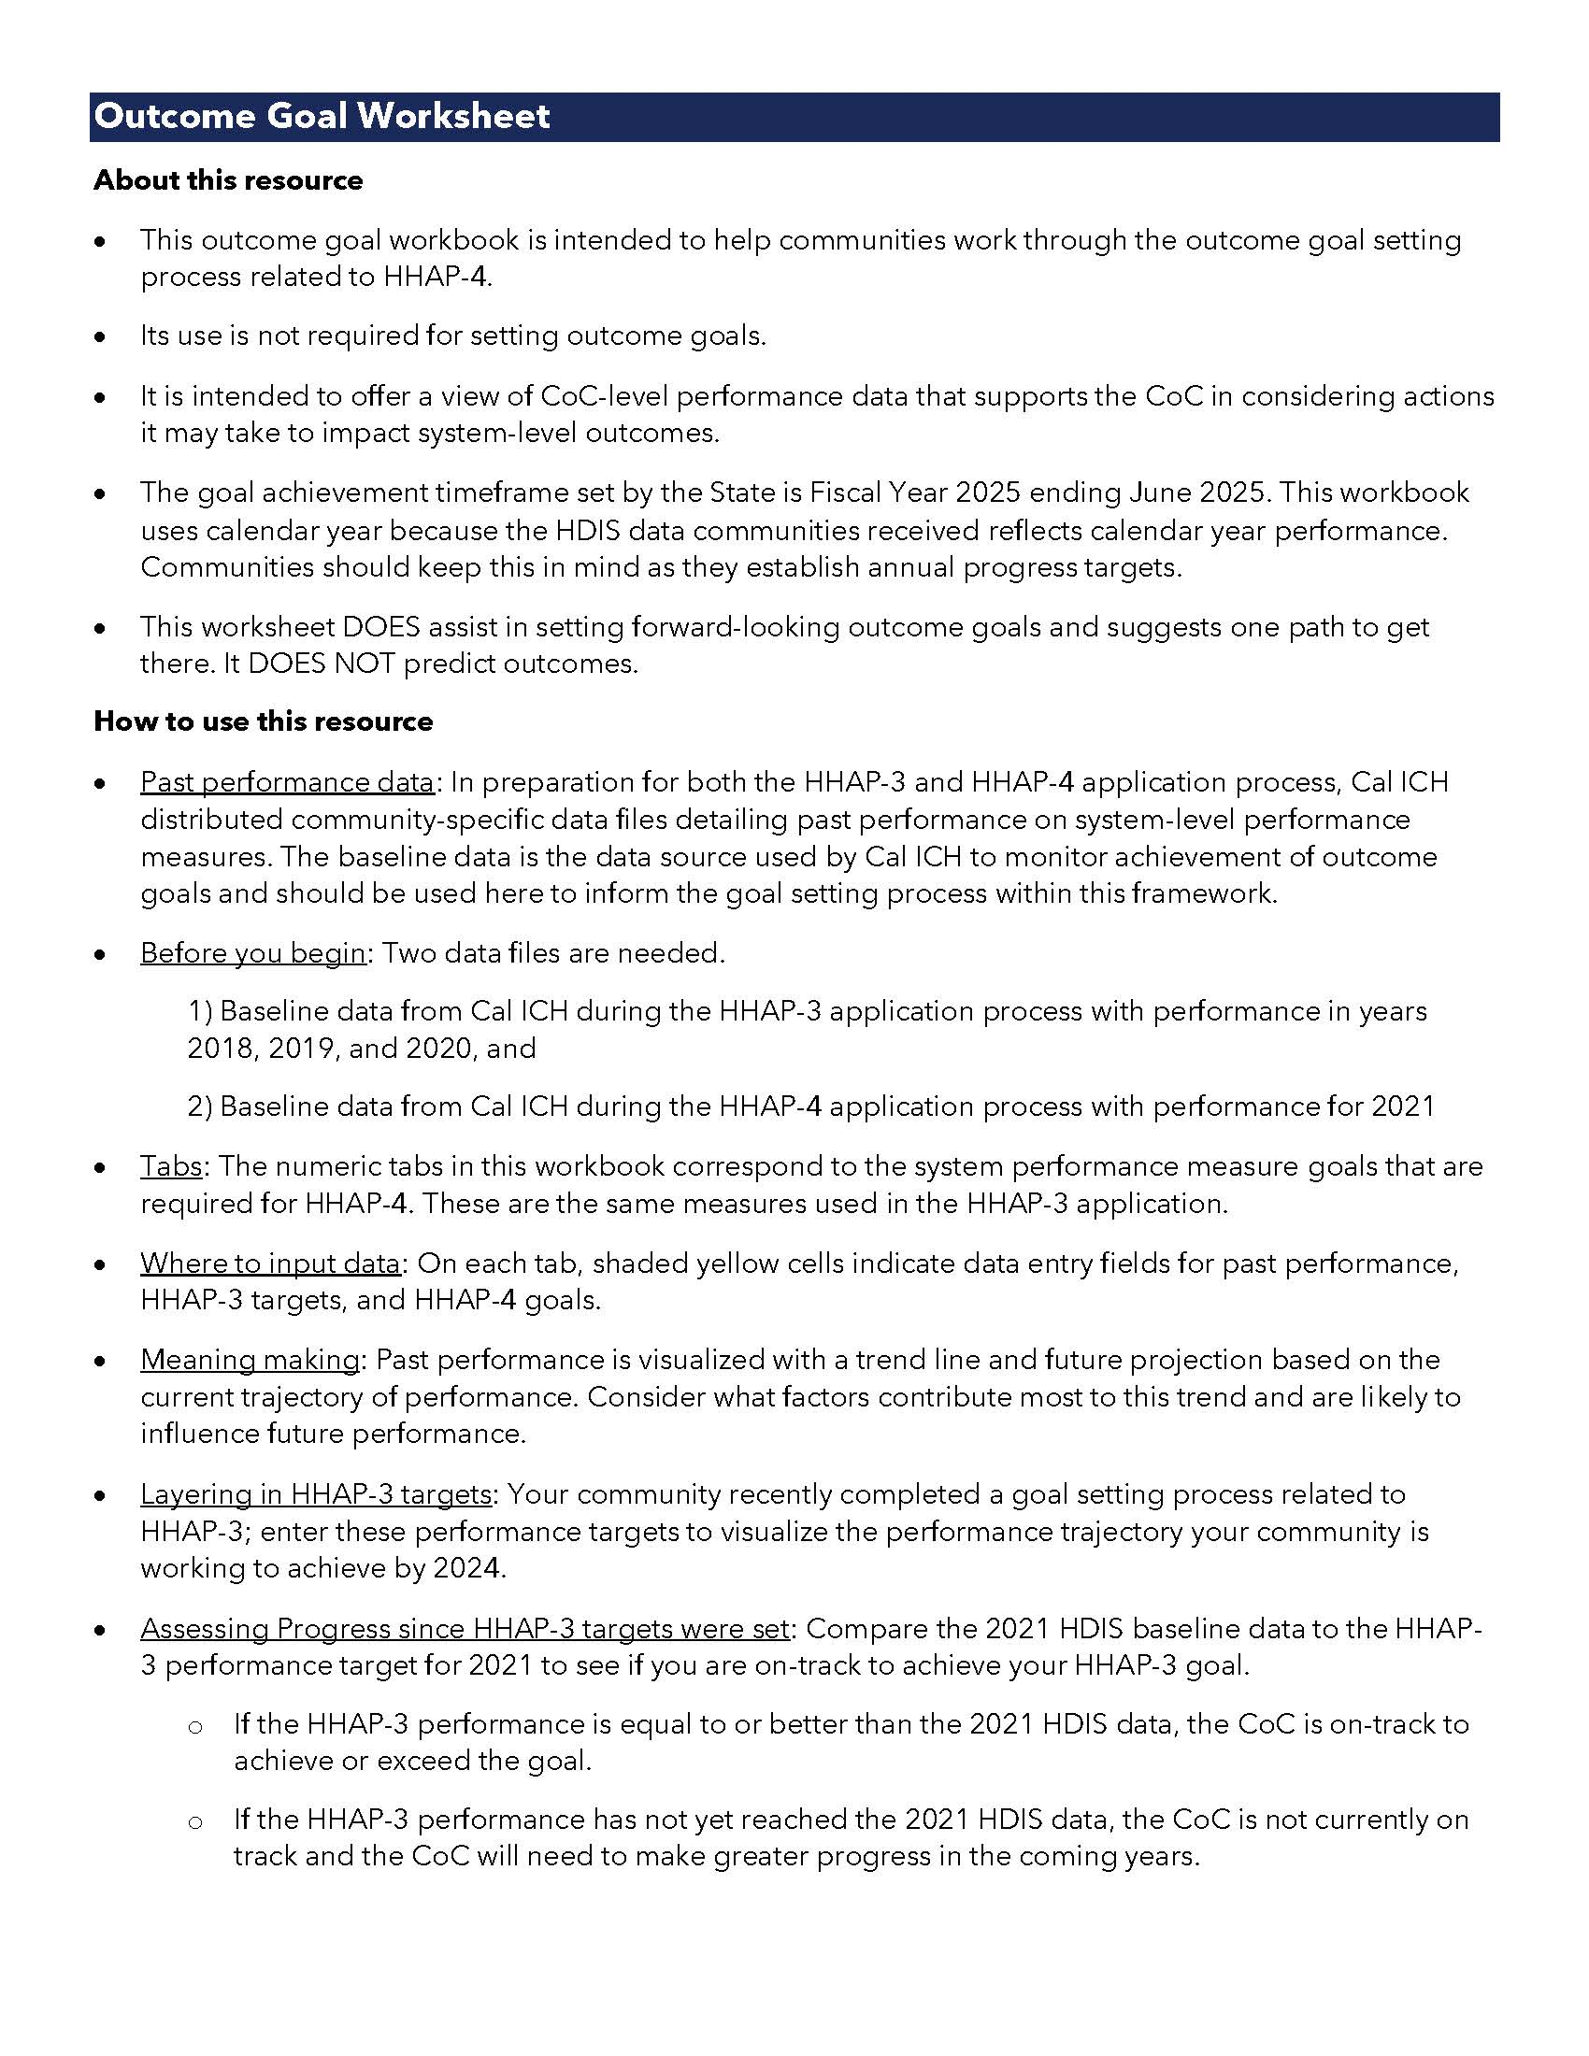

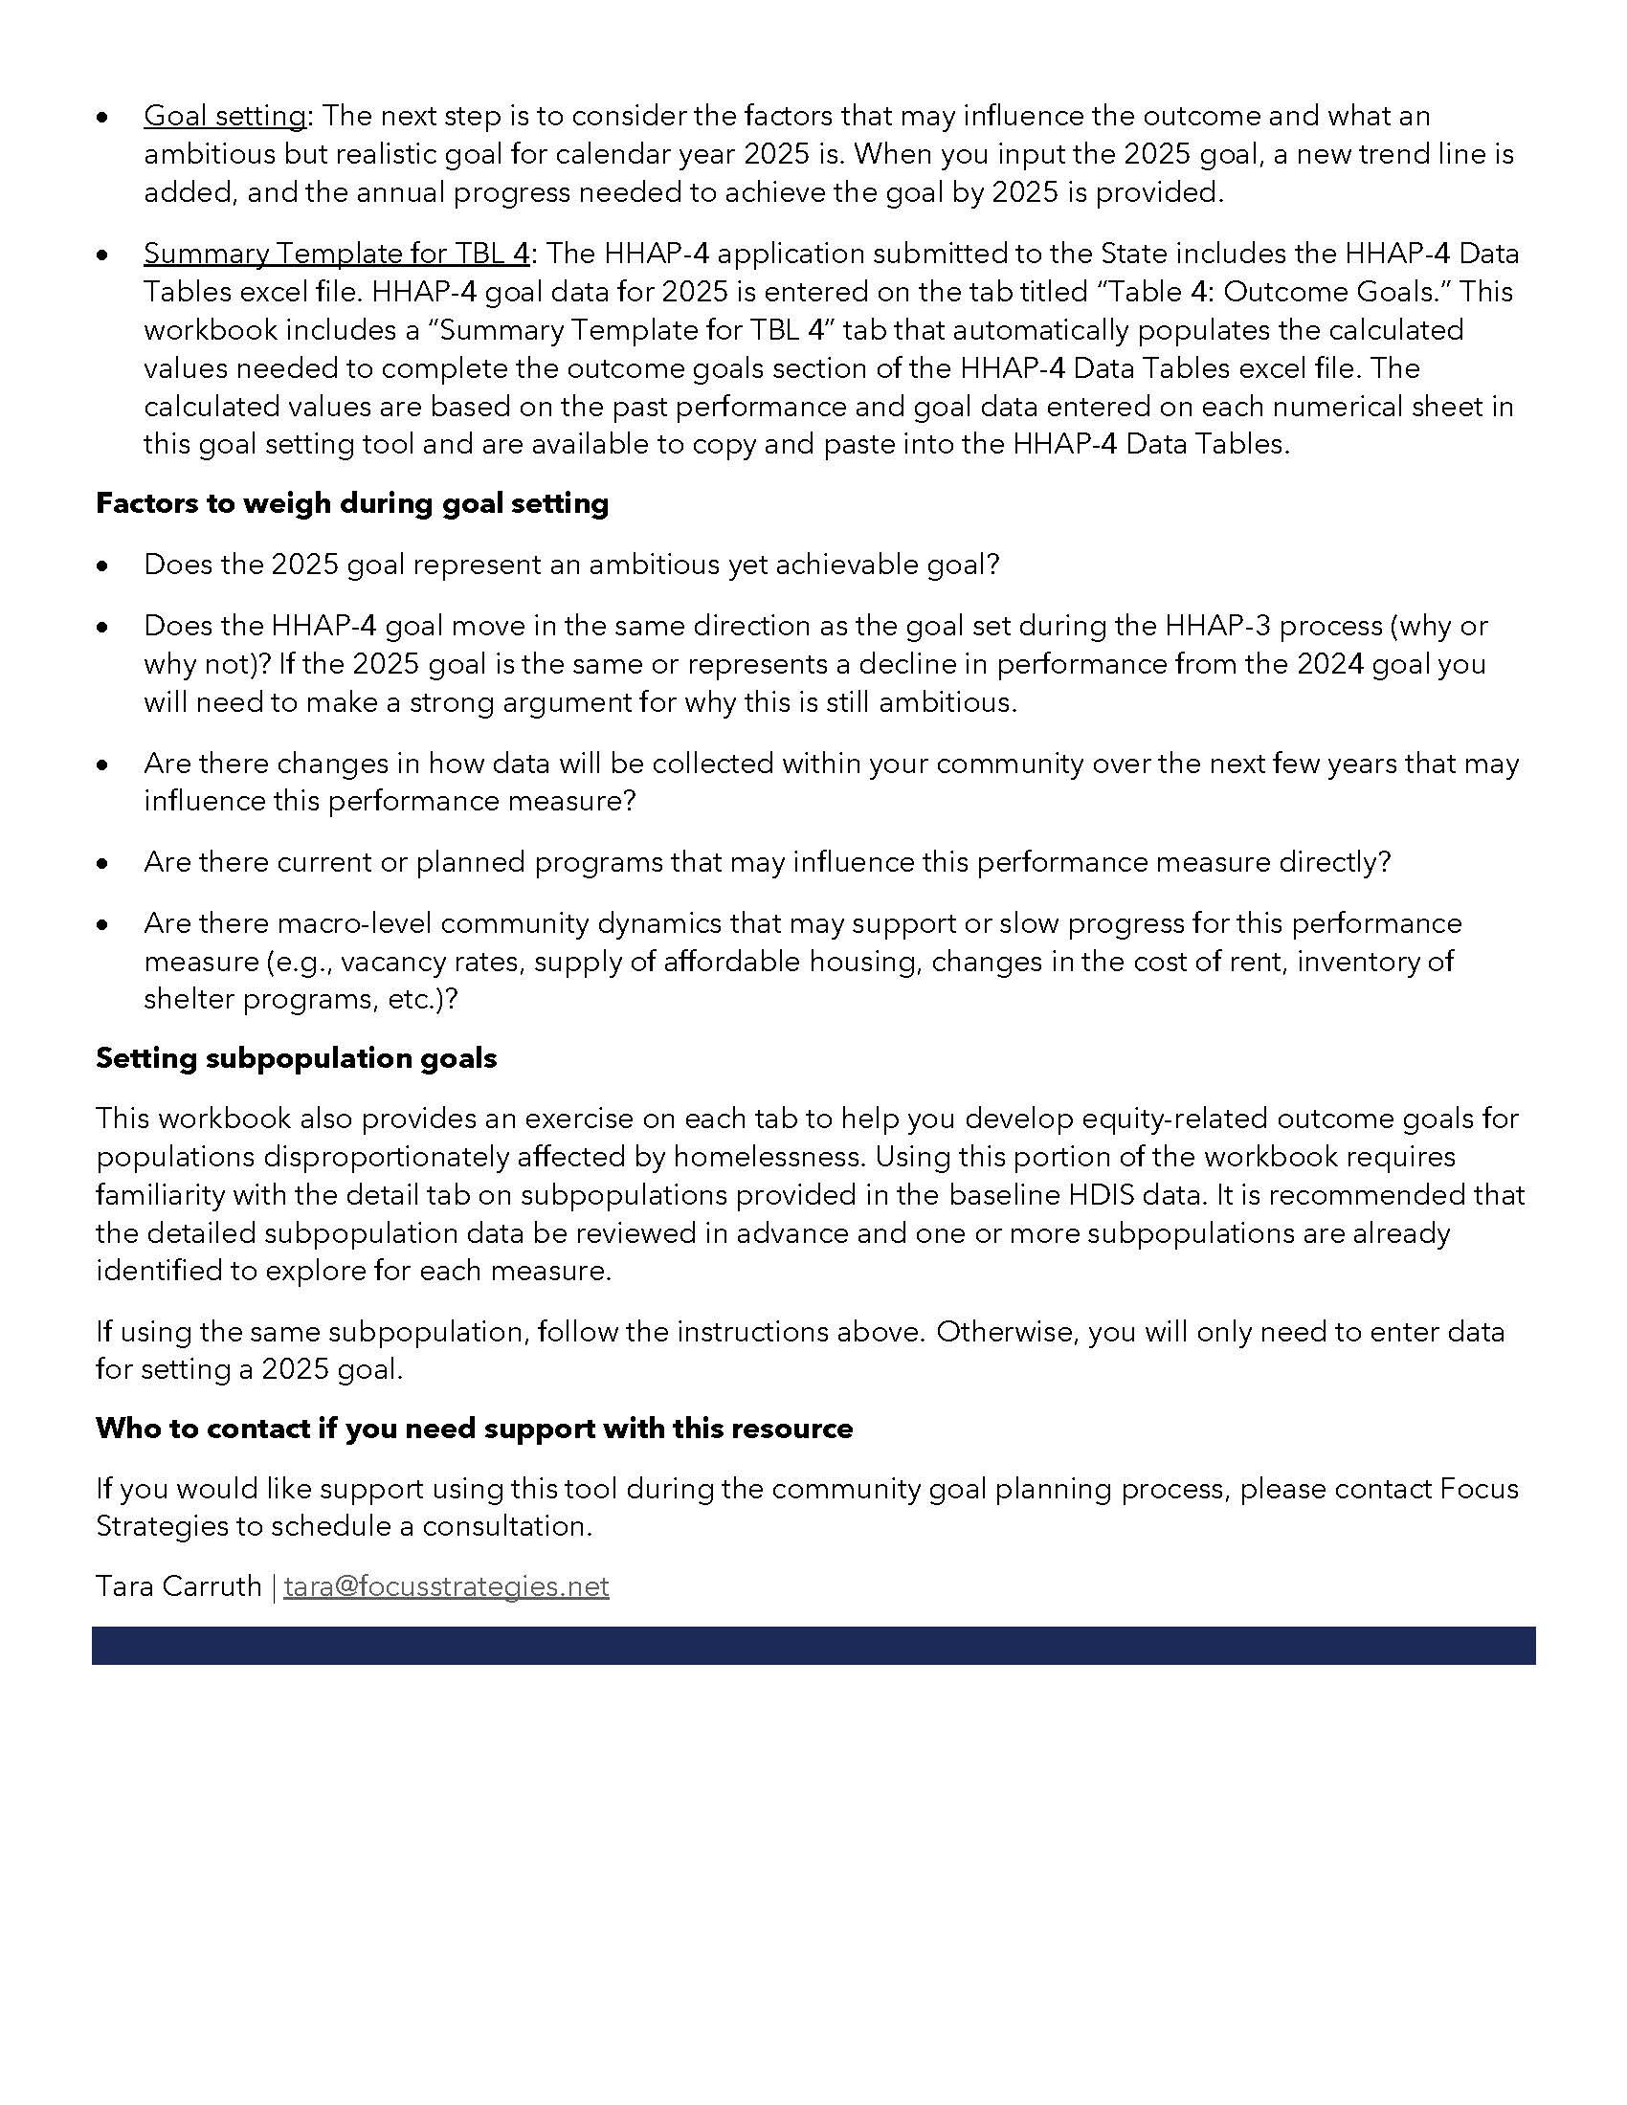

1a
Outcomes Goal Worksheet
Outcome Goal #1a: Reducing the number of persons experiencing homelessness.
Annual estimate of number of people accessing services who are experiencing homelessness.

Instructions
Input HDIS baseline data (past performance) and HHAP performance goal data into shaded yellow cells below.
HDIS baseline data is CoC-level performance data that can be found in the baseline data files shared by Cal-ICH with your community during the HHAP-3 and HHAP-4 application rounds.
Use these two baseline data files to input past performance.

All Persons

 | Past Performance | Projected Performance | HHAP-3 Target | HHAP-4 Goal
'18 | #N/A
'19 | #N/A
'20 | #N/A |  | #N/A
'21 | #N/A | #N/A | #N/A | #N/A
'22 |  | #N/A | #N/A | #N/A
'23 |  | #N/A | #N/A | #N/A
'24 |  | #N/A | #N/A | #N/A
'25 |  | #N/A |  | #N/A
① |  | Enter HDIS baseline data for years 2018 - 2021. |  |  |  |  |  |  |  |  | Visual A: Past and projected performance, HHAP-3 target, and HHAP-4 goal
 |  |  |  |  |  |  |  |  |  | u

 |  | '18 | '19 | '20 | '21 | '22 | '23 | '24 | '25

 |  | Past performance |  |  |  | Projected performance

② |  | Enter the HHAP-3 performance goal established for 2024.

 |  |  |  |  | '21 | '22 | '23 | '24
 |  | HHAP-3 Goal Setting Data:
 |  |  |  |  |  |  |  | HHAP-3 Performance Goal

③ |  | Enter an ambitious but achievable outcome goal to reach by 2025.

 |  |  |  |  |  | '22 | '23 | '24 | '25
 |  | HHAP-4 Goal Setting Data:
 |  |  |  |  |  |  |  |  | HHAP-4 Performance Goal

u | As part of the HHAP-4 application, you must complete an Excel file linked below (HHAP-4 Data Tables). Based on the inputs above, a tab in this spreadsheet (Summary Template for TBL 4) provides the necessary inputs to complete a portion of the data entry for the tab "TBL 4. Outcome Goals".

 | HHAP-4 Data Tables

Underserved Populations and Populations Disproportionately Impacted by Homelessness

④ |  | Identify an underserved or disproportionately impacted population. |  |  |  |  |  |  |  |  | Visual B: Size of subpopulation relative to All Persons
 | Past | Projected | HHAP-3 Target | HHAP-4 Goal
'18 | #N/A
'19 | #N/A
'20 | #N/A |  | #N/A
'21 | #N/A | #N/A | #N/A | #N/A
'22 |  | #N/A | #N/A | #N/A
'23 |  | #N/A | #N/A | #N/A
'24 |  | #N/A | #N/A | #N/A
'25 |  | #N/A |  | #N/A

 |  | Is this the same subpopulation identified in the HHAP-3 goal setting process?

 |  | What was the HHAP-3 performance goal to be achieved by 2024?

⑤ |  | Enter HDIS baseline data for years 2018 - 2021 for the selected subpopulation.
 |  |  |  |  |  |  |  |  |  | u

 |  | '18 | '19 | '20 | '21 | '22 | '23 | '24 | '25

 |  | Past performance |  |  |  | Projected performance

⑥ |  | HHAP-3 performance goal data (if applicable).

 |  |  |  |  | '21 | '22 | '23 | '24
 |  | HHAP-3 Goal Setting Data:
 |  |  |  |  |  |  |  | HHAP-3 Performance Goal

⑦ |  | Enter an ambitious but achievable outcome goal to reach by 2025.
 |  |  |  |  |  |  |  |  |  |  |  | Visual B Calculations - Projected: Section 5 / Section 1 - HHAP-3 Target: Section 6 / Section 2 - HHAP-4 Goal: Section 7 / Section 3
 |  |  |  |  |  | '22 | '23 | '24 | '25
 |  | HHAP-4 Goal Setting Data:
 |  |  |  |  |  |  |  |  | HHAP-4 Performance Goal

1b
Outcomes Goal Worksheet
Outcome Goal #1b: Reducing the number of persons experiencing homelessness on a daily basis.
Estimate of # of people experiencing unsheltered homelessness as measured by the CoC's PIT Count.

Instructions
Input HDIS baseline data (past performance) and HHAP performance goal data into shaded yellow cells below. Use your 2022 unsheltered PIT count for your 2021 baseline (even if it is still pending final confirmation from HUD).
HDIS baseline data is CoC-level performance data that can be found in the baseline data files shared by Cal-ICH with your community during the HHAP-3 and HHAP-4 application rounds.
Use these two baseline data files to input past performance.

All Persons

 | Past Performance | Projected Performance | HHAP-3 Target | HHAP-4 Goal
'18 | #N/A
'19 | #N/A
'20 | #N/A |  | #N/A
'21 | #N/A | #N/A | #N/A | #N/A
'22 |  | #N/A | #N/A | #N/A
'23 |  | #N/A | #N/A | #N/A
'24 |  | #N/A | #N/A | #N/A
'25 |  | #N/A |  | #N/A
① |  | Enter HDIS baseline data for years 2018 - 2021. |  |  |  |  |  |  |  |  | Visual A: Past and projected performance, HHAP-3 target, and HHAP-4 goal
 |  |  |  |  |  |  |  |  |  | u

 |  | '18 | '19 | '20 | '21 | '22 | '23 | '24 | '25

 |  | Past performance |  |  |  | Projected performance

② |  | Enter the HHAP-3 performance goal established for 2024.

 |  |  |  |  | '21 | '22 | '23 | '24
 |  | HHAP-3 Goal Setting Data:
 |  |  |  |  |  |  |  | HHAP-3 Performance Goal

③ |  | Enter an ambitious but achievable outcome goal to reach by 2025.

 |  |  |  |  |  | '22 | '23 | '24 | '25
 |  | HHAP-4 Goal Setting Data:
 |  |  |  |  |  |  |  |  | HHAP-4 Performance Goal

u | As part of the HHAP-4 application, you must complete an Excel file linked below (HHAP-4 Data Tables). Based on the inputs above, a tab in this spreadsheet (Summary Template for TBL 4) provides the necessary inputs to complete a portion of the data entry for the tab "TBL 4. Outcome Goals".

 | HHAP-4 Data Tables

Underserved Populations and Populations Disproportionately Impacted by Homelessness

④ |  | Identify an underserved or disproportionately impacted population. |  |  |  |  |  |  |  |  | Visual B: Size of subpopulation relative to All Persons
 | Past | Projected | HHAP-3 Target | HHAP-4 Goal
'18 | #N/A
'19 | #N/A
'20 | #N/A |  | #N/A
'21 | #N/A | #N/A | #N/A | #N/A
'22 |  | #N/A | #N/A | #N/A
'23 |  | #N/A | #N/A | #N/A
'24 |  | #N/A | #N/A | #N/A
'25 |  | #N/A |  | #N/A

 |  | Is this the same subpopulation identified in the HHAP-3 goal setting process?
 |  | Yes

 |  | What was the HHAP-3 performance goal to be achieved by 2024?

⑤ |  | Enter HDIS baseline data for years 2018 - 2021 for the selected subpopulation.
 |  |  |  |  |  |  |  |  |  | u

 |  | '18 | '19 | '20 | '21 | '22 | '23 | '24 | '25

 |  | Past performance |  |  |  | Projected performance

⑥ |  | HHAP-3 performance goal data (if applicable).

 |  |  |  |  | '21 | '22 | '23 | '24
 |  | HHAP-3 Goal Setting Data:
 |  |  |  |  |  |  |  | HHAP-3 Performance Goal

⑦ |  | Enter an ambitious but achievable outcome goal to reach by 2025.
 |  |  |  |  |  |  |  |  |  |  |  | Visual B Calculations - Projected: Section 5 / Section 1 - HHAP-3 Target: Section 6 / Section 2 - HHAP-4 Goal: Section 7 / Section 3
 |  |  |  |  |  | '22 | '23 | '24 | '25
 |  | HHAP-4 Goal Setting Data:
 |  |  |  |  |  |  |  |  | HHAP-4 Performance Goal

2
Outcomes Goal Worksheet
Outcome Goal #2: Reducing the number of persons who become homeless for the first time.
Annual estimate of # of people who become homeless for the first time.

Instructions
Input HDIS baseline data (past performance) and HHAP performance goal data into shaded yellow cells below.
HDIS baseline data is CoC-level performance data that can be found in the baseline data files shared by Cal-ICH with your community during the HHAP-3 and HHAP-4 application rounds.
Use these two baseline data files to input past performance.

All Persons

 | Past Performance | Projected Performance | HHAP-3 Target | HHAP-4 Goal
'18 | #N/A
'19 | #N/A
'20 | #N/A |  | #N/A
'21 | #N/A | #N/A | #N/A | #N/A
'22 |  | #N/A | #N/A | #N/A
'23 |  | #N/A | #N/A | #N/A
'24 |  | #N/A | #N/A | #N/A
'25 |  | #N/A |  | #N/A
① |  | Enter HDIS baseline data for years 2018 - 2021. |  |  |  |  |  |  |  |  | Visual A: Past and projected performance, HHAP-3 target, and HHAP-4 goal
 |  |  |  |  |  |  |  |  |  | u

 |  | '18 | '19 | '20 | '21 | '22 | '23 | '24 | '25

 |  | Past performance |  |  |  | Projected performance

② |  | Enter the HHAP-3 performance goal established for 2024.

 |  |  |  |  | '21 | '22 | '23 | '24
 |  | HHAP-3 Goal Setting Data:
 |  |  |  |  |  |  |  | HHAP-3 Performance Goal

③ |  | Enter an ambitious but achievable outcome goal to reach by 2025.

 |  |  |  |  |  | '22 | '23 | '24 | '25
 |  | HHAP-4 Goal Setting Data:
 |  |  |  |  |  |  |  |  | HHAP-4 Performance Goal

u | As part of the HHAP-4 application, you must complete an Excel file linked below (HHAP-4 Data Tables). Based on the inputs above, a tab in this spreadsheet (Summary Template for TBL 4) provides the necessary inputs to complete a portion of the data entry for the tab "TBL 4. Outcome Goals".

 | HHAP-4 Data Tables

Underserved Populations and Populations Disproportionately Impacted by Homelessness

④ |  | Identify an underserved or disproportionately impacted population. |  |  |  |  |  |  |  |  | Visual B: Size of subpopulation relative to All Persons
 | Past | Projected | HHAP-3 Target | HHAP-4 Goal
'18 | #N/A
'19 | #N/A
'20 | #N/A |  | #N/A
'21 | #N/A | #N/A | #N/A | #N/A
'22 |  | #N/A | #N/A | #N/A
'23 |  | #N/A | #N/A | #N/A
'24 |  | #N/A | #N/A | #N/A
'25 |  | #N/A |  | #N/A

 |  | Is this the same subpopulation identified in the HHAP-3 goal setting process?

 |  | What was the HHAP-3 performance goal to be achieved by 2024?

⑤ |  | Enter HDIS baseline data for years 2018 - 2021 for the selected subpopulation.
 |  |  |  |  |  |  |  |  |  | u

 |  | '18 | '19 | '20 | '21 | '22 | '23 | '24 | '25

 |  | Past performance |  |  |  | Projected performance

⑥ |  | HHAP-3 performance goal data (if applicable).

 |  |  |  |  | '21 | '22 | '23 | '24
 |  | HHAP-3 Goal Setting Data:
 |  |  |  |  |  |  |  | HHAP-3 Performance Goal

⑦ |  | Enter an ambitious but achievable outcome goal to reach by 2025.
 |  |  |  |  |  |  |  |  |  |  |  | Visual B Calculations - Projected: Section 5 / Section 1 - HHAP-3 Target: Section 6 / Section 2 - HHAP-4 Goal: Section 7 / Section 3
 |  |  |  |  |  | '22 | '23 | '24 | '25
 |  | HHAP-4 Goal Setting Data:
 |  |  |  |  |  |  |  |  | HHAP-4 Performance Goal

3
Outcomes Goal Worksheet
Outcome Goal #3: Increasing the number of people exiting homelessness into permanent housing.
Annual estimate of # of people exiting homelessness into permanent housing.

Instructions
Input HDIS baseline data (past performance) and HHAP performance goal data into shaded yellow cells below.
HDIS baseline data is CoC-level performance data that can be found in the baseline data files shared by Cal-ICH with your community during the HHAP-3 and HHAP-4 application rounds.
Use these two baseline data files to input past performance.

All Persons

 | Past Performance | Projected Performance | HHAP-3 Target | HHAP-4 Goal
'18 | #N/A
'19 | #N/A
'20 | #N/A |  | #N/A
'21 | #N/A | #N/A | #N/A | #N/A
'22 |  | #N/A | #N/A | #N/A
'23 |  | #N/A | #N/A | #N/A
'24 |  | #N/A | #N/A | #N/A
'25 |  | #N/A |  | #N/A
① |  | Enter HDIS baseline data for years 2018 - 2021. |  |  |  |  |  |  |  |  | Visual A: Past and projected performance, HHAP-3 target, and HHAP-4 goal
 |  |  |  |  |  |  |  |  |  | u

 |  | '18 | '19 | '20 | '21 | '22 | '23 | '24 | '25

 |  | Past performance |  |  |  | Projected performance

② |  | Enter the HHAP-3 performance goal established for 2024.

 |  |  |  |  | '21 | '22 | '23 | '24
 |  | HHAP-3 Goal Setting Data:
 |  |  |  |  |  |  |  | HHAP-3 Performance Goal

③ |  | Enter an ambitious but achievable outcome goal to reach by 2025.

 |  |  |  |  |  | '22 | '23 | '24 | '25
 |  | HHAP-4 Goal Setting Data:
 |  |  |  |  |  |  |  |  | HHAP-4 Performance Goal

u | As part of the HHAP-4 application, you must complete an Excel file linked below (HHAP-4 Data Tables). Based on the inputs above, a tab in this spreadsheet (Summary Template for TBL 4) provides the necessary inputs to complete a portion of the data entry for the tab "TBL 4. Outcome Goals".

 | HHAP-4 Data Tables

Underserved Populations and Populations Disproportionately Impacted by Homelessness

④ |  | Identify an underserved or disproportionately impacted population. |  |  |  |  |  |  |  |  | Visual B: Size of subpopulation relative to All Persons
 | Past | Projected | HHAP-3 Target | HHAP-4 Goal
'18 | #N/A
'19 | #N/A
'20 | #N/A |  | #N/A
'21 | #N/A | #N/A | #N/A | #N/A
'22 |  | #N/A | #N/A | #N/A
'23 |  | #N/A | #N/A | #N/A
'24 |  | #N/A | #N/A | #N/A
'25 |  | #N/A |  | #N/A

 |  | Is this the same subpopulation identified in the HHAP-3 goal setting process?

 |  | What was the HHAP-3 performance goal to be achieved by 2024?

⑤ |  | Enter HDIS baseline data for years 2018 - 2021 for the selected subpopulation.
 |  |  |  |  |  |  |  |  |  | u

 |  | '18 | '19 | '20 | '21 | '22 | '23 | '24 | '25

 |  | Past performance |  |  |  | Projected performance

⑥ |  | HHAP-3 performance goal data (if applicable).

 |  |  |  |  | '21 | '22 | '23 | '24
 |  | HHAP-3 Goal Setting Data:
 |  |  |  |  |  |  |  | HHAP-3 Performance Goal

⑦ |  | Enter an ambitious but achievable outcome goal to reach by 2025.
 |  |  |  |  |  |  |  |  |  |  |  | Visual B Calculations - Projected: Section 5 / Section 1 - HHAP-3 Target: Section 6 / Section 2 - HHAP-4 Goal: Section 7 / Section 3
 |  |  |  |  |  | '22 | '23 | '24 | '25
 |  | HHAP-4 Goal Setting Data:
 |  |  |  |  |  |  |  |  | HHAP-4 Performance Goal

4
Outcomes Goal Worksheet
Outcome Goal #4: Reducing the length of time persons remain homeless.
Average length of time (in # of days) persons enrolled in street outreach or other non-residential projects (while homeless), emergency shelter, transitional housing, safe haven projects and time prior to move-in for persons enrolled in rapid rehousing and permanent housing projects.

Instructions
Input HDIS baseline data (past performance) and HHAP performance goal data into shaded yellow cells below.
HDIS baseline data is CoC-level performance data that can be found in the baseline data files shared by Cal-ICH with your community during the HHAP-3 and HHAP-4 application rounds.
Use these two baseline data files to input past performance.

All Persons

 | Past Performance | Projected Performance | HHAP-3 Target | HHAP-4 Goal
'18 | #N/A
'19 | #N/A
'20 | #N/A |  | #N/A
'21 | #N/A | #N/A | #N/A | #N/A
'22 |  | #N/A | #N/A | #N/A
'23 |  | #N/A | #N/A | #N/A
'24 |  | #N/A | #N/A | #N/A
'25 |  | #N/A |  | #N/A
① |  | Enter HDIS baseline data for years 2018 - 2021. |  |  |  |  |  |  |  |  | Visual A: Past and projected performance, HHAP-3 target, and HHAP-4 goal
 |  |  |  |  |  |  |  |  |  | u

 |  | '18 | '19 | '20 | '21 | '22 | '23 | '24 | '25

 |  | Past performance |  |  |  | Projected performance

② |  | Enter the HHAP-3 performance goal established for 2024.

 |  |  |  |  | '21 | '22 | '23 | '24
 |  | HHAP-3 Goal Setting Data:
 |  |  |  |  |  |  |  | HHAP-3 Performance Goal

③ |  | Enter an ambitious but achievable outcome goal to reach by 2025.

 |  |  |  |  |  | '22 | '23 | '24 | '25
 |  | HHAP-4 Goal Setting Data:
 |  |  |  |  |  |  |  |  | HHAP-4 Performance Goal

u | As part of the HHAP-4 application, you must complete an Excel file linked below (HHAP-4 Data Tables). Based on the inputs above, a tab in this spreadsheet (Summary Template for TBL 4) provides the necessary inputs to complete a portion of the data entry for the tab "TBL 4. Outcome Goals".

 | HHAP-4 Data Tables

Underserved Populations and Populations Disproportionately Impacted by Homelessness

④ |  | Identify an underserved or disproportionately impacted population. |  |  |  |  |  |  |  |  | Visual B: Time spent homeless | Comparison between All Persons and Subpopulation
 | All Persons | Past Performance | HHAP-3 Goal | HHAP-4 Goal
'18 |  | #N/A
'19 |  | #N/A
'20 |  | #N/A | #N/A
'21 |  | #N/A | #N/A | #N/A
'22 |  |  | #N/A | #N/A
'23 |  |  | #N/A | #N/A
'24 |  |  | #N/A | #N/A
'25 |  |  |  | #N/A
 | 0
'18 |  | #N/A
'19 |  | #N/A
'20 |  | #N/A | #N/A
'21 |  | #N/A | #N/A | #N/A
'22 |  |  | #N/A | #N/A
'23 |  |  | #N/A | #N/A
'24 |  |  | #N/A | #N/A
'25 |  |  |  | #N/A

 |  | Is this the same subpopulation identified in the HHAP-3 goal setting process?

 |  | What was the HHAP-3 performance goal to be achieved by 2024?

⑤ |  | Enter HDIS baseline data for years 2018 - 2021 for the selected subpopulation.
 |  |  |  |  |  |  |  |  |  | u

 |  | '18 | '19 | '20 | '21 | '22 | '23 | '24 | '25

 |  | Past performance |  |  |  | Projected performance

⑥ |  | HHAP-3 performance goal data (if applicable).

 |  |  |  |  | '21 | '22 | '23 | '24
 |  | HHAP-3 Goal Setting Data:
 |  |  |  |  |  |  |  | HHAP-3 Performance Goal

⑦ |  | Enter an ambitious but achievable outcome goal to reach by 2025.

 |  |  |  |  |  | '22 | '23 | '24 | '25
 |  | HHAP-4 Goal Setting Data:
 |  |  |  |  |  |  |  |  | HHAP-4 Performance Goal

5
Outcomes Goal Worksheet
Outcome Goal #5: Reducing the number of persons who return to homelessness after exiting homelessness to permanent housing.
% of people who return to homelessness within 6 months of exiting homelessness to permanent housing.

Instructions
Input HDIS baseline data (past performance) and HHAP performance goal data into shaded yellow cells below.
HDIS baseline data is CoC-level performance data that can be found in the baseline data files shared by Cal-ICH with your community during the HHAP-3 and HHAP-4 application rounds.
Use these two baseline data files to input past performance.

All Persons

 | Past Performance | Projected Performance | HHAP-3 Target | HHAP-4 Goal
'18 | #N/A
'19 | #N/A
'20 | #N/A |  | #N/A
'21 | #N/A | #N/A | #N/A | #N/A
'22 |  | #N/A | #N/A | #N/A
'23 |  | #N/A | #N/A | #N/A
'24 |  | #N/A | #N/A | #N/A
'25 |  | #N/A |  | #N/A
① |  | Enter HDIS baseline data for years 2018 - 2021. |  |  |  |  |  |  |  |  | Visual A: Past and projected performance, HHAP-3 target, and HHAP-4 goal
 |  |  |  |  |  |  |  |  |  | u

 |  | '18 | '19 | '20 | '21 | '22 | '23 | '24 | '25

 |  | Past performance |  |  |  | Projected performance

② |  | Enter the HHAP-3 performance goal established for 2024.

 |  |  |  |  | '21 | '22 | '23 | '24
 |  | HHAP-3 Goal Setting Data:
 |  |  |  |  |  |  |  | HHAP-3 Performance Goal

③ |  | Enter an ambitious but achievable outcome goal to reach by 2025.

 |  |  |  |  |  | '22 | '23 | '24 | '25
 |  | HHAP-4 Goal Setting Data:
 |  |  |  |  |  |  |  |  | HHAP-4 Performance Goal

u | As part of the HHAP-4 application, you must complete an Excel file linked below (HHAP-4 Data Tables). Based on the inputs above, a tab in this spreadsheet (Summary Template for TBL 4) provides the necessary inputs to complete a portion of the data entry for the tab "TBL 4. Outcome Goals".

 | HHAP-4 Data Tables

Underserved Populations and Populations Disproportionately Impacted by Homelessness

④ |  | Identify an underserved or disproportionately impacted population. |  |  |  |  |  |  |  |  | Visual B: Time spent homeless | Comparison between All Persons and Subpopulation
 | All Persons | Past Performance | HHAP-3 Goal | HHAP-4 Goal
'18 |  | #N/A
'19 |  | #N/A
'20 |  | #N/A | #N/A
'21 |  | #N/A | #N/A | #N/A
'22 |  |  | #N/A | #N/A
'23 |  |  | #N/A | #N/A
'24 |  |  | #N/A | #N/A
'25 |  |  |  | #N/A
 | 0
'18 |  | #N/A
'19 |  | #N/A
'20 |  | #N/A | #N/A
'21 |  | #N/A | #N/A | #N/A
'22 |  |  | #N/A | #N/A
'23 |  |  | #N/A | #N/A
'24 |  |  | #N/A | #N/A
'25 |  |  |  | #N/A

 |  | Is this the same subpopulation identified in the HHAP-3 goal setting process?

 |  | What was the HHAP-3 performance goal to be achieved by 2024?

⑤ |  | Enter HDIS baseline data for years 2018 - 2021 for the selected subpopulation.
 |  |  |  |  |  |  |  |  |  | u

 |  | '18 | '19 | '20 | '21 | '22 | '23 | '24 | '25

 |  | Past performance |  |  |  | Projected performance

⑥ |  | HHAP-3 performance goal data (if applicable).

 |  |  |  |  | '21 | '22 | '23 | '24
 |  | HHAP-3 Goal Setting Data:
 |  |  |  |  |  |  |  | HHAP-3 Performance Goal

⑦ |  | Enter an ambitious but achievable outcome goal to reach by 2025.

 |  |  |  |  |  | '22 | '23 | '24 | '25
 |  | HHAP-4 Goal Setting Data:
 |  |  |  |  |  |  |  |  | HHAP-4 Performance Goal

6
Outcomes Goal Worksheet
Outcome Goal #6: Increasing successful placements from street outreach.
Annual # of people served in street outreach projects who exit to emergency shelter, safe haven, transitional housing, or permanent housing destinations.

Instructions
Input HDIS baseline data (past performance) and HHAP performance goal data into shaded yellow cells below.
HDIS baseline data is CoC-level performance data that can be found in the baseline data files shared by Cal-ICH with your community during the HHAP-3 and HHAP-4 application rounds.
Use these two baseline data files to input past performance.

All Persons

 | Past Performance | Projected Performance | HHAP-3 Target | HHAP-4 Goal
'18 | #N/A
'19 | #N/A
'20 | #N/A |  | #N/A
'21 | #N/A | #N/A | #N/A | #N/A
'22 |  | #N/A | #N/A | #N/A
'23 |  | #N/A | #N/A | #N/A
'24 |  | #N/A | #N/A | #N/A
'25 |  | #N/A |  | #N/A
① |  | Enter HDIS baseline data for years 2018 - 2021. |  |  |  |  |  |  |  |  | Visual A: Past and projected performance, HHAP-3 target, and HHAP-4 goal
 |  |  |  |  |  |  |  |  |  | u

 |  | '18 | '19 | '20 | '21 | '22 | '23 | '24 | '25

 |  | Past performance |  |  |  | Projected performance

② |  | Enter the HHAP-3 performance goal established for 2024.

 |  |  |  |  | '21 | '22 | '23 | '24
 |  | HHAP-3 Goal Setting Data:
 |  |  |  |  |  |  |  | HHAP-3 Performance Goal

③ |  | Enter an ambitious but achievable outcome goal to reach by 2025.

 |  |  |  |  |  | '22 | '23 | '24 | '25
 |  | HHAP-4 Goal Setting Data:
 |  |  |  |  |  |  |  |  | HHAP-4 Performance Goal

u | As part of the HHAP-4 application, you must complete an Excel file linked below (HHAP-4 Data Tables). Based on the inputs above, a tab in this spreadsheet (Summary Template for TBL 4) provides the necessary inputs to complete a portion of the data entry for the tab "TBL 4. Outcome Goals".

 | HHAP-4 Data Tables

Underserved Populations and Populations Disproportionately Impacted by Homelessness

④ |  | Identify an underserved or disproportionately impacted population. |  |  |  |  |  |  |  |  | Visual B: Size of subpopulation relative to All Persons
 | Past | Projected | HHAP-3 Target | HHAP-4 Goal
'18 | #N/A
'19 | #N/A
'20 | #N/A |  | #N/A
'21 | #N/A | #N/A | #N/A | #N/A
'22 |  | #N/A | #N/A | #N/A
'23 |  | #N/A | #N/A | #N/A
'24 |  | #N/A | #N/A | #N/A
'25 |  | #N/A |  | #N/A

 |  | Is this the same subpopulation identified in the HHAP-3 goal setting process?

 |  | What was the HHAP-3 performance goal to be achieved by 2024?

⑤ |  | Enter HDIS baseline data for years 2018 - 2021 for the selected subpopulation.
 |  |  |  |  |  |  |  |  |  | u

 |  | '18 | '19 | '20 | '21 | '22 | '23 | '24 | '25

 |  | Past performance |  |  |  | Projected performance

⑥ |  | HHAP-3 performance goal data (if applicable).

 |  |  |  |  | '21 | '22 | '23 | '24
 |  | HHAP-3 Goal Setting Data:
 |  |  |  |  |  |  |  | HHAP-3 Performance Goal

⑦ |  | Enter an ambitious but achievable outcome goal to reach by 2025.
 |  |  |  |  |  |  |  |  |  |  |  | Visual B Calculations - Projected: Section 5 / Section 1 - HHAP-3 Target: Section 6 / Section 2 - HHAP-4 Goal: Section 7 / Section 3
 |  |  |  |  |  | '22 | '23 | '24 | '25
 |  | HHAP-4 Goal Setting Data:
 |  |  |  |  |  |  |  |  | HHAP-4 Performance Goal

